ART
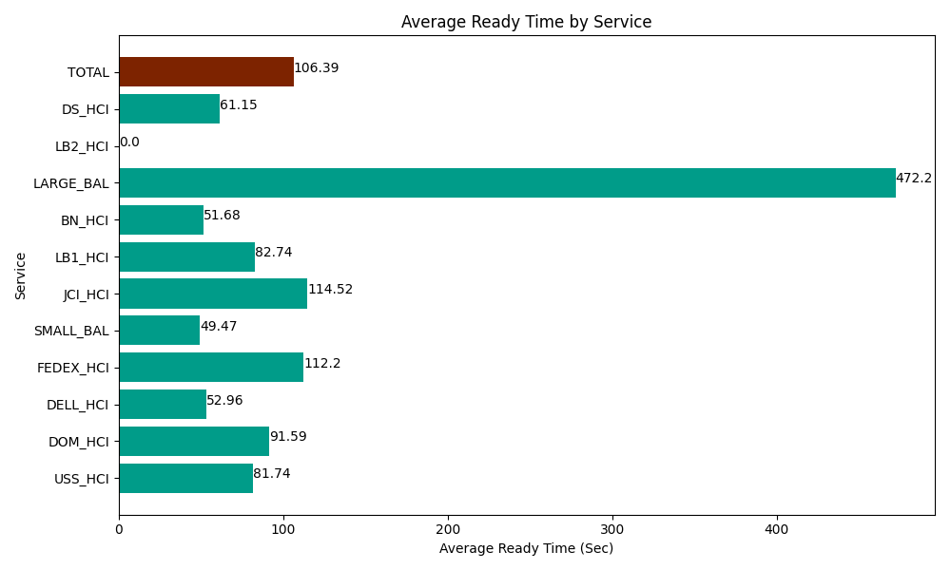
Date | Service | Successful Op Transfer | In Call (Sec) | Ready (Sec) | Wrapup (Sec) | Not Ready (Sec) | Average Ready Time (Sec)
06-05-2024 | USS_HCI | 253 | 40648.198242 | 20680.200806 | 34347.000732 | 30278.999634 | 81.74
06-05-2024 | DOM_HCI | 20 | 2830.8000183 | 1831.8000412 | 2248.7999725 | 130.20000458 | 91.59
06-05-2024 | DELL_HCI | 197 | 28039.200439 | 10433.999634 | 69988.198242 | 50869.200439 | 52.96
06-05-2024 | FEDEX_HCI | 20 | 2896.7999268 | 2244.0000916 | 1377.0000458 | 1917.0000458 | 112.2
06-05-2024 | SMALL_BAL | 54 | 3085.8000183 | 2671.2000275 | 7590 | 12353.999634 | 49.47
06-05-2024 | JCI_HCI | 213 | 19459.799194 | 24391.799927 | 22140 | 6154.1999817 | 114.52
06-05-2024 | LB1_HCI | 113 | 11335.19989 | 9349.2004395 | 9373.2000732 | 20250 | 82.74
06-05-2024 | BN_HCI | 798 | 43914.001465 | 41236.801758 | 63781.801758 | 43477.199707 | 51.68
06-05-2024 | LARGE_BAL | 1 | 133.20000172 | 472.19999313 | 88.800001144 | 53.999998569 | 472.2
06-05-2024 | LB2_HCI | 0 | 0 | 334.79999542 | 0 | 355.20000458 | 0
06-05-2024 | DS_HCI | 264 | 23601.000366 | 16144.200439 | 37632.000732 | 51409.200439 | 61.15
 | TOTAL | 1933 | 175943.99956 | 129790.20315 | 248566.80156 | 217249.19989 | 106.39

